Q1
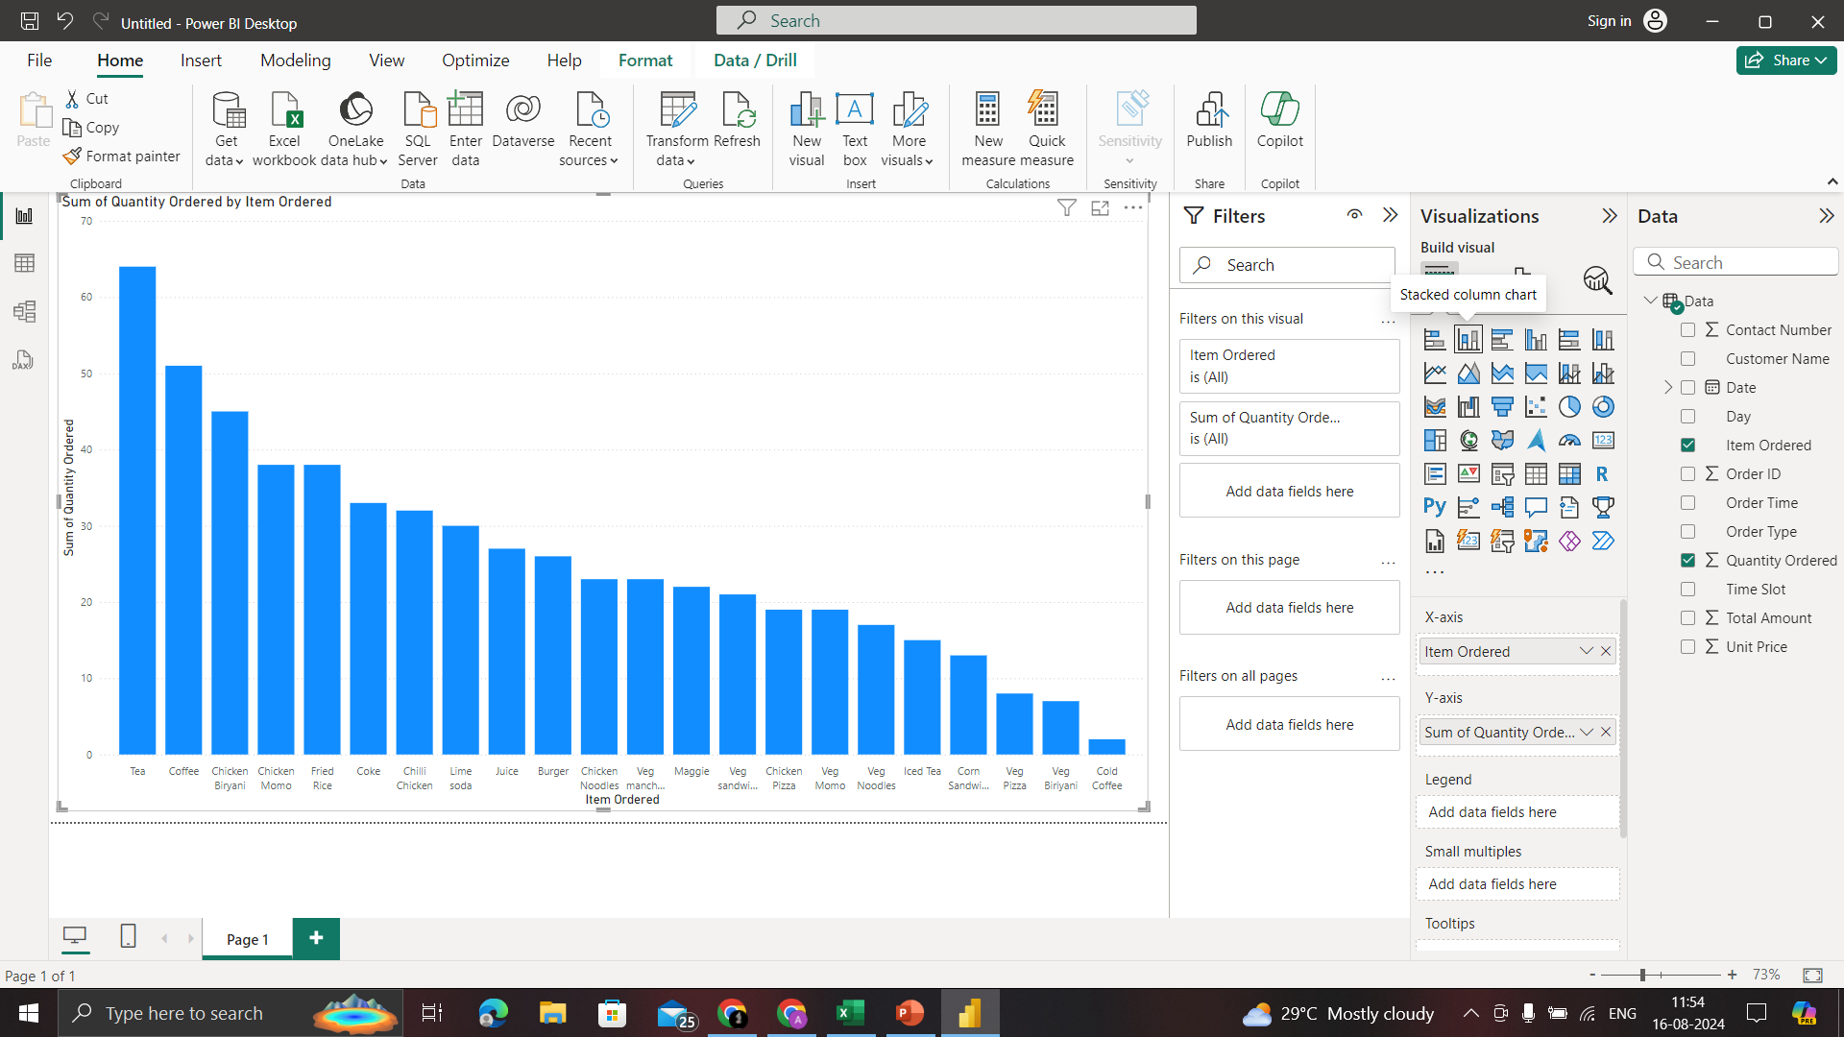
1) Which item is sold the most and which item is sold the least?
Ans: The most sold item is tea and the least sold item is cold coffee.

Q2
2) Are more units ordered against lower-priced items or higher-priced items in a single order?
Unit Price and Quantity Ordered
 | Quantity Ordered
85 | 2
20 | 1
80 | 1
50 | 1
50 | 1
85 | 1
60 | 1
65 | 1
20 | 1
80 | 1
85 | 1
20 | 1
90 | 2
120 | 1
70 | 1
140 | 2
90 | 1
90 | 3
95 | 2
120 | 1
110 | 1
90 | 1
160 | 1
40 | 4
120 | 1
55 | 1
20 | 3
50 | 2
40 | 1
80 | 1
90 | 2
80 | 1
110 | 1
80 | 3
90 | 1
140 | 2
80 | 1
50 | 2
75 | 1
20 | 1
40 | 1
20 | 3
50 | 1
110 | 2
90 | 1
95 | 1
140 | 1
90 | 1
160 | 2
140 | 1
...

Q3
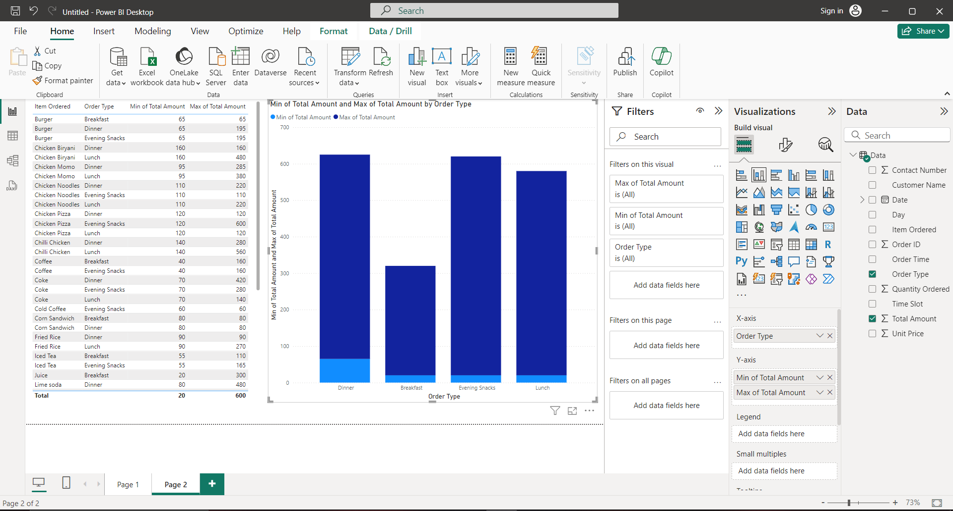
3) What items are sold more and what items are sold less in what type of meal?
Ans: Breakfast is the least amount ordered and Dinner is the highest amount ordered

Q4
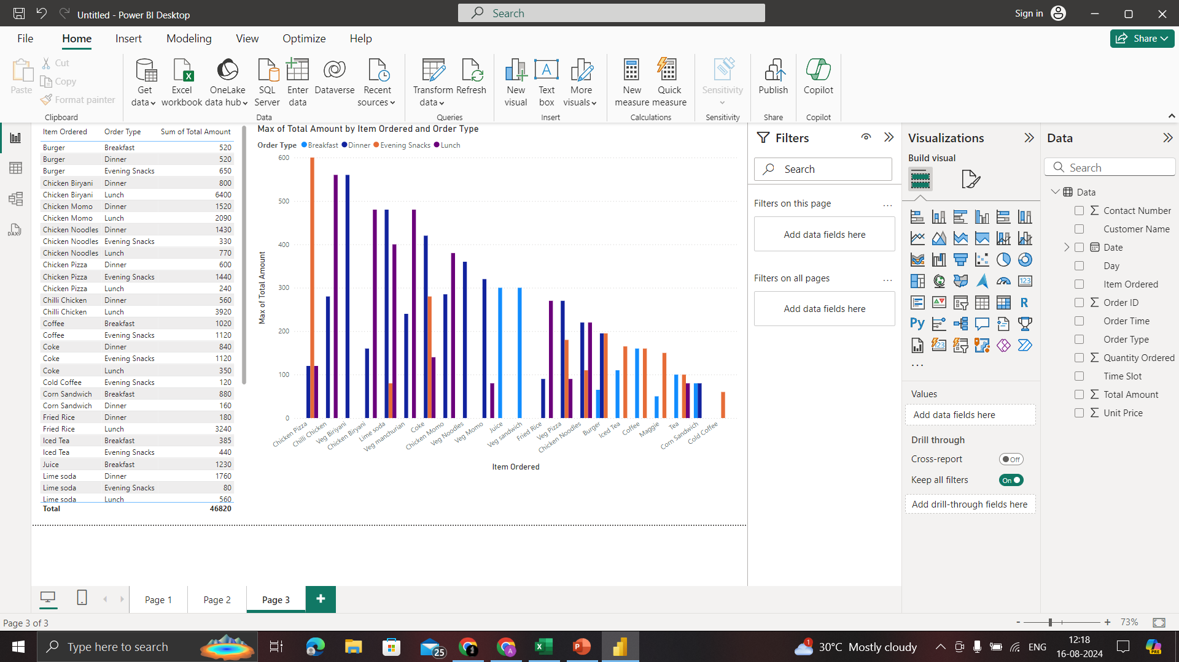
4) Sale of which items in what type of meal generate a greater amount of sales?
Ans: In Evening snacks Chicken Pizza generates the most amount of sales

Q5
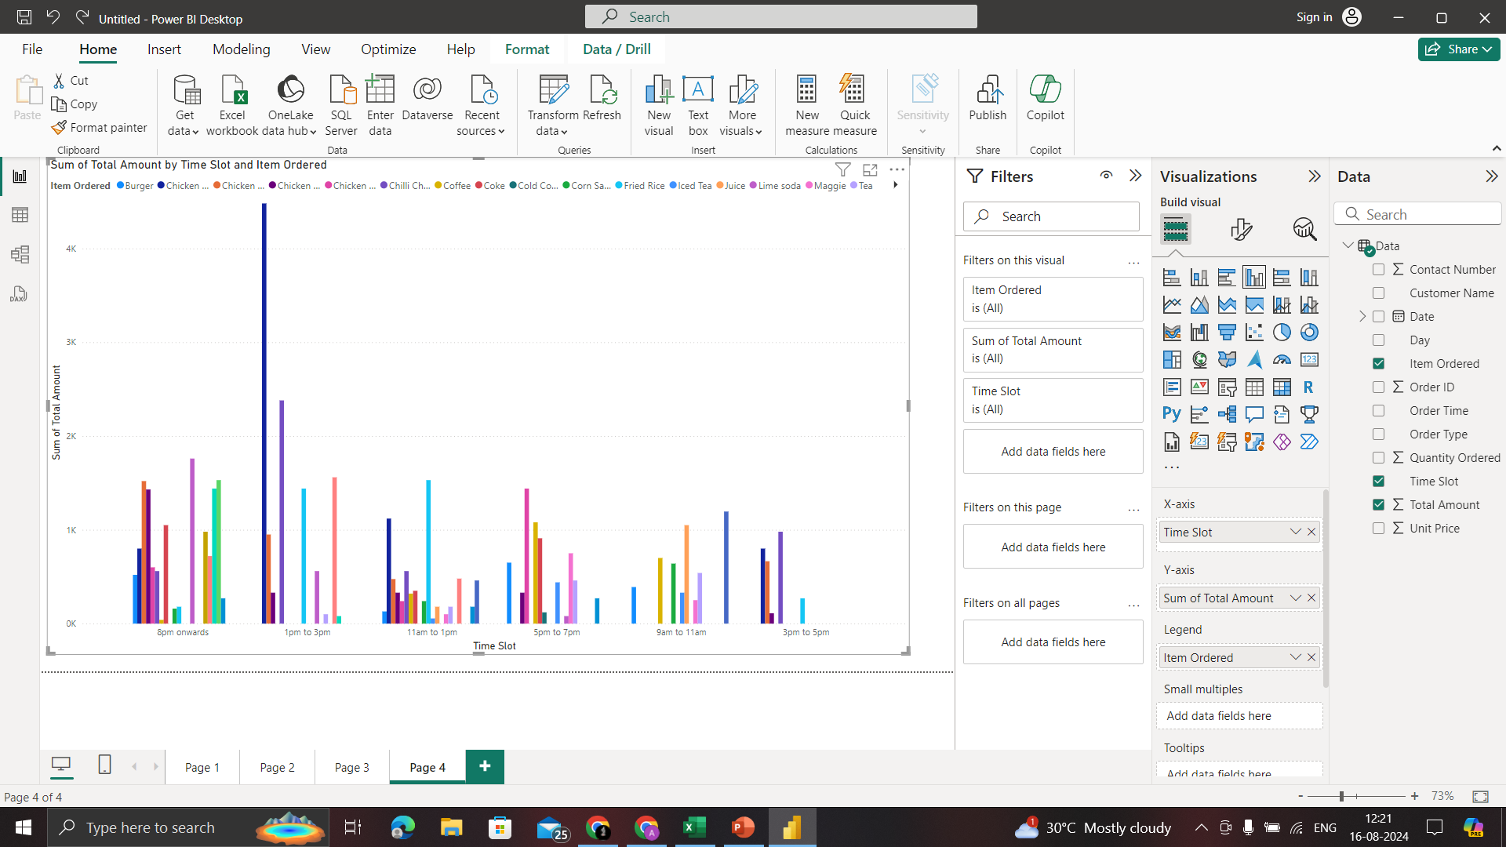
5) Should the company continue offering all items at different times of the day?
Ans: The Company should continue offering all items at different times of the day

